No.1
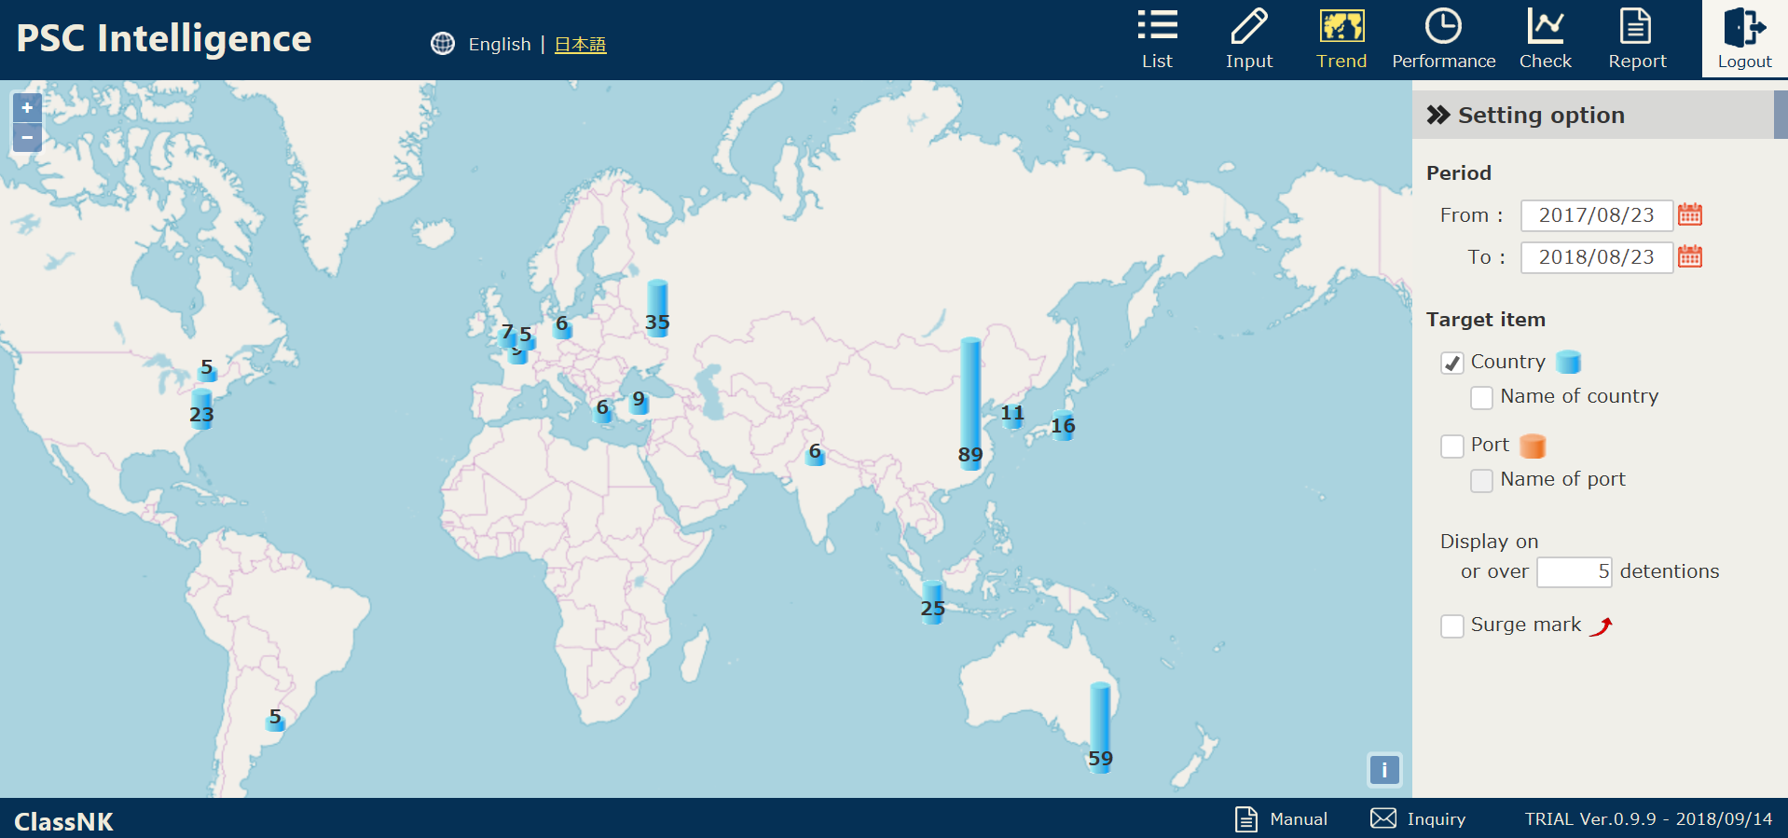

The manual can be downloaded here.

